Designer
This program is produced as an educational aid. Any use of the information provided by this program is made by the user at his / her own risk. |  |  |  |  |  | Value is lower than expected
No warranty or guarantee is stated or implied by ITRC or Cal Poly. Users assume full responsibility for any usage of this material. |  |  |  |  |  | Value is higher than expected
Cal Poly ITRC Flap Gate Program with Concrete Counterweight
Red fonts indicate user input values. | Orange cells indicate important results |  |  |  | Grey cells indicate design checks
 | Inputs | Calculated | Design Variable (see sketches) | Calculated Variable (not in sketches) |  |  | Version 2024.04.02
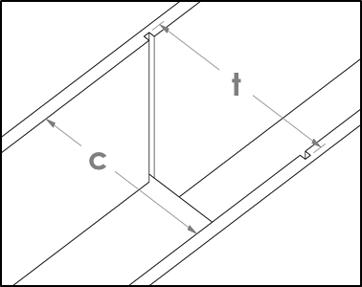
Channel Dimensions

1. Enter the width of the structure opening (the flow path): | 64.50 | inches | c
2. Enter the total width including the depth of both board slots: | 72.00 | inches | t
This is the width of the flow path plus the depth of each board slot. If the walls are not plumb, be sure to use the smallest value.
Depth (in.) of each board slot. Two inches is the recommended minimum. |  | 3.75 | v
3. Enter the desired upstream water height above the bottom of the static support frame: | 32.00 | inches | b
If there is no bottom frame, this is the water height above the bottom of the structure flow path. In either case, the total change in water level across the structure is equal to the MAX value you should input here.
Static Frame Dimensions

4. Enter the vertical tubing (which will slide into the flashboard slot) dimensions for the static frame:
Tubing depth | 2.00 | inches | j
Tubing width | 8.00 | inches | ak
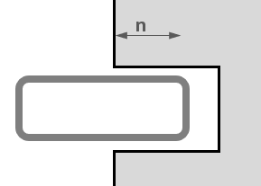
The tubing width will provide room for the water to flow past the flap and between the walls. This value should be 6" minimum along each side and be an even number so that the steel tubing is readily available to construct the static frame.
5. Enter the depth the static frame will extend (overlap) into each board slot: | 2.00 | inches | n
This value must be less than the depth of each board slot. Depending on site conditions, a minimum clearance of 0.25" to 0.5" on each side is recommended. A minimum overlap of 1" is recommended, however additional overlap may be needed for structural integrity.
Clearance (in.) between the static frame and the board slots on both sides. |  | 1.75
Distance (in.) the static frame will extend into the channel flow path on both sides. |  | 6.00
Total width (in.) of flashboard static frame. |  | 68.50 | z | z
Width (in.) of flow path between vertical static frame supports. This is used to estimate the maximum flow rate through the gate. |  | 52.50 | w
6. Enter the upper and lower horizontal tubing (used to support the flap gate) dimensions for the static frame:
Tubing depth | 2.00 | inches | r
Tubing width | 2.00 | inches | u
Two inches along the bottom works well for the tubing width if the gate sits on flashboards. If the flap gate will sit on the floor of the structure, the tubing width should be increased. The tubing depth should always match that of the vertical tubing.
Clearance (in.) between the static frame pivot arm supports and the structure walls. |  | 4.00
This value must be greater than or equal to zero. A clearance of at least 0.25" is recommended.
Dynamic Gate Dimensions

7. Enter the height of the pivot point above the bottom of the static frame: | 37.00 | inches | d
This needs to be 4 to 6 inches larger than Variable (b).
Distance (in.) from the u/s water surface to the pivot point. This should be 4" or more, but typically doesn't need to be more than 8". This is to keep the static frame support and bearings out of the water. |  | 5.00 | a | a
Distance (in.) from the bottom of the static frame lower support member to the top of the static horizontal pivot lever arm support. |  | 36.00 | s | s
8. Enter the desired vertical distance from the top of the upstream water level to the top of the faceplate: | 2.00 | inches | e
Two inches works well and is recommended.
9. Enter the pivot lever arm length from the pivot point to the upstream side of the faceplate: | 7.50 | inches | p
This should be a minimum of 4" in order to leave room for the 2-bolt flange bearings and provide leverage to minimize the counterweight. Typical values range between 4 and 8 inches.
Water depth (in.) above the top of bottom static support frame. |  | 30.00 | h | h
10. Enter the faceplate overlap of the static frame: | 0.50 | inches | f
ITRC recommends 0.5" if the static tubing wall thickness is 0.35" or less; if the wall thickness is greater than 0.35" use 0.75".
Width (in.) of faceplate including overlap. |  | 53.50
Clearance between the faceplate and the wall. A minimum of 0.5" is recommended. |  | 5.50
11. Enter the faceplate thickness: | 0.500 | inches | i
This should be 0.25" or more to prevent the plate from bending if it were to slam shut. It can also be increased to help with the closing moment, if necessary. This is also the thickness of the counterweight end caps and brackets.
12. Enter the weight per foot of the steel tubing used to make the dynamic frame as well as the tubing dimensions: | 8.78 | lbs / foot
Tubing depth | 2.00 | inches | l
Tubing width | 4.00 | inches | m
Tubing wall thickness | 0.250 | inches | ab
This is the vertical tubing that supports both the counterweight and the faceplate, plus the horizontal faceplate supports.
Counterweight Dimensions |  |  |  |  |  |  | Design Checks
 |  |  |  |  |  |  | OK
13. Enter the density of the material used to fill the counterweight: | 145 | lbs / cubic foot
Counterweight material | Quikrete Concrete |  |  |  |  |  | OK
14. Select the counterweight (CW) support tubing dimensions:
CW support height | 6.00 | inches | x |  |  |  | OK
CW support width | 4.00 | inches | aa
CW support wall thickness | 0.250 | inches | am
Weight of CW support material | 15.58 | lbs / foot |  |  |  |  | OK

15. Enter the diameter and the length of the pipe/cylinder that causes the closing moment to equal the opening moment: |  |  |  | Adjust dimensions until the opening and closing moments below are equal |  |  | OK
Pipe diameter (actual OD, if possible) | 24.00 | inches | ac | Opening moment: | 1837 | ft-lbs.
Pipe wall thickness | 0.250 | inches | ad | Closing moment: | 1836 | ft-lbs. | OK
CW pipe length | 37.50 | inches | ae

Counterweight end cap thickness (in.) |  | 0.500 |  |  |  |  | OK

16. Select the rebar size to adjusting the counterweight: | 4 |  |  | Try to obtain a value between 5 and 15% | 7.6% |  | OK

Approximate weight (lbs) of the rebar to add during initial start-up. |  | 138 |  |  |  |  | OK
Approximate length (ft) of rebar required to achieve that weight. |  | 206 |  | Try to obtain a value less than 4 while maintaining the orange ratios below: | 1.7
 |  |  |  |  |  |  | OK
17. Enter the vertical distance from the pivot to center of the counterweight: | 18.50 | inches | y
Keep the orange value on the right less than 4 while keeping the ratios in Step 17 within range. |  |  |  |  |  |  | OK
18. Check on various ratios, and adjust inputs as needed:
Angle from pivot to center of gravity |  |  | deg | Should be between 48 and 53 deg. | 49.5 |  | OK
Pivot to water level / upstream water depth |  |  | a / h | Should be 0.5 or less | 0.17
Lever arm length / pivot height |  |  | p / (h+a) | Should be 0.25 or less | 0.21 |  | OK

Pivot Shaft Dimensions |  |  |  |  |  |  | OK

19. Select the pivot shaft diameter: | 2.00 | inches | af | Minimum shaft diameter without strip(s) (inches) | 1.69 |  | OK
Select a diameter that is readily available for both the steel and the bearings. It must be larger than the calculated minimum diameter. This calculation assumes 1018 cold-rolled steel is used with an allowable deflection of 2.5 mm.
Would you like to use this option? | No
Adjust the pivot shaft diameter (Variable af, above) to the diameter you would like.
Shaft diameter (inches, entered above)
Is the shaft fixed or rotating? | Fixed
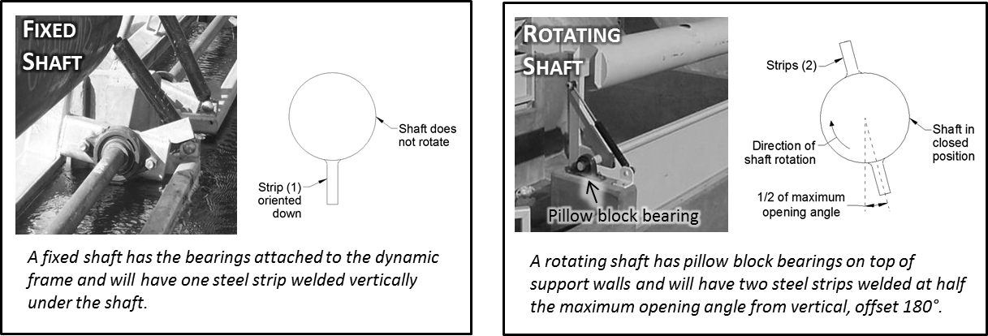

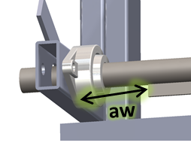
Strip thickness (1/4 inch recommended) | 0.25
Strip clearance from dynamic frame arms | 10.00 |  | aw
Approximately 8 inch minimum needed to remove shaft with bearings and strip(s) (this depends on the size of the bearing, lever arm shaft hole clearance, etc).
Select the strip height: | 2.00 |  |  | Minimum strip height (inches) | -2.62 |  | OK
Select a height that is readily available and is greater than the calculated minimum strip height.
Final Design Dimensions

 |  | Pivot height above bottom of static frame | 37.0 | inches
 |  | Lever arm length (p) | 7.50 | inches
 |  | Counterweight height (y) | 18.50 | inches
Total length for dynamic tubing |  |  | 2 x 4 x 0.25 | inches by | 27 | ft total+
 |  |  | 6 x 4 x 0.25 | inches by | 5 | ft total+
Total length for static tubing |  |  | 2 x 8 | inches by | 7 | ft total+
 |  |  | 2 x 2 | inches by | 13 | ft total+ | +10% extra added
 |  | Weight of dynamic frame | 460 | pounds
 |  | Weight of empty counterweight | 387 | pounds (not filled, no rebar)
 |  | Weight of full counterweight | 1815 | pounds (counterweight filled with Quikrete Concrete and rebar)
 |  | Total weight (dynamic frame and counterweight) | 2275 | pounds
 |  | Max. angle of opening | 34 | degrees **Put the stop before this**
 |  | Estimated Max. Flow Rate | 49 | cubic feet / second
Dynamic Tubing Cut List
 |  |  | units
 |  | Steel faceplate dimensions | 1 | 32.5 | inches high by | 53.50 | inches wide (0.5 inch wall thickness)
 |  | Lever arms | 2 | 2 x 4 x 0.25 | inches by | 13.00 | inch length
 |  | Horizontal faceplate supports | 2 | 2 x 4 x 0.25 | inches by | 46.50 | inch length
 |  | Vertical counterweight supports | 2 | 2 x 4 x 0.25 | inches by | 50.50 | inch length
 |  | Extra vertical counterweight supports | 0 | 0.00 | inches | Red denotes that these parts are only needed if certain conditions are met. A zero appears if it is not needed.
 |  | Horizontal faceplate mid-support | 1 | 44.50 | inches
 |  | Vertical faceplate mid-support | 1 | 27.50 | inches
 |  | Lever arm support brace | 0 | 0.00 | inches
Pivot Shaft Cut List

 |  | Pivot shaft | 1 | 2.00 | inch dia. by | 55.50 | inch length
 |  | Pivot shaft strip(s) | 0 | 0.00 | inches by | 0.00 | inches tall (0 inch wall thickness)
Static Frame Cut List

 |  | Vertical supports | 2 | 2 x 8 | inches by | 36.00 | inch length
 |  | Horizontal supports | 2 | 2 x 2 | inches by | 52.50 | inch length
 |  | Lever arm supports | 2 | 2 x 2 | inches by | 13.50 | inch length
 |  | Total width of static frame | 68.50 | inches **Constructed width of flashboard static frame**
Counterweight Cut List

 |  | Counterweight cylinder | 1 | 24.00 | inch dia. by | 37.50 | inch length (0.25 inch wall thickness)
 |  | CW side plates | 2 | 24.00 | inch dia. by | 0.500 | inch thickness
 |  | CW horizontal support | 1 | 6 x 4 x 0.25 | inches by | 50.50 | inch length
 |  | CW fill material |  | 8.9 | cubic feet of Quikrete Concrete
 |  | Rebar estimate | 50 | #4 | pieces by | 49.50 | inch length
Design Tables

 | Steel Tubing Weight Table |  |  | Counterweight Materials
...

Installation
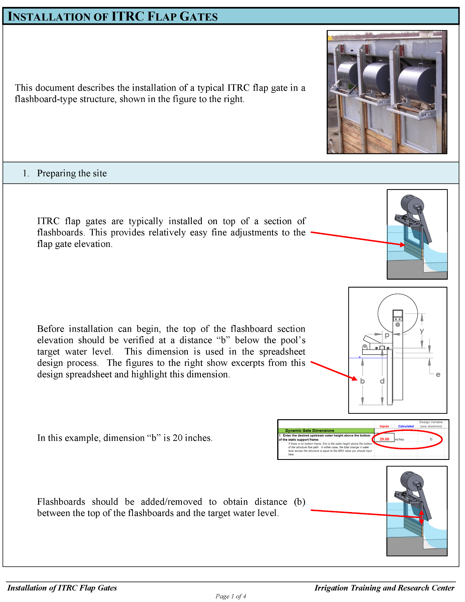

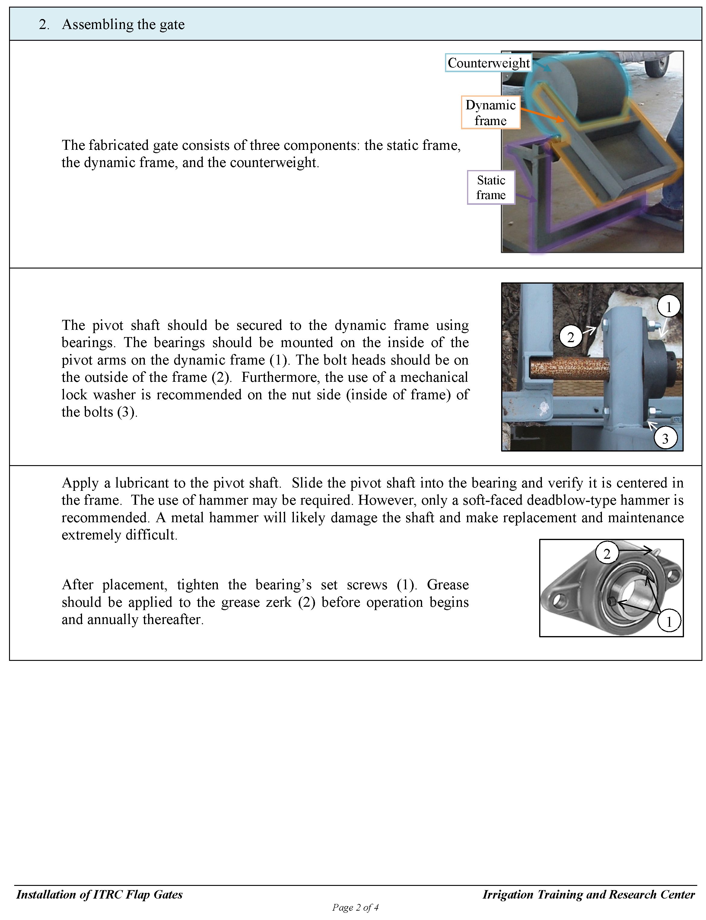

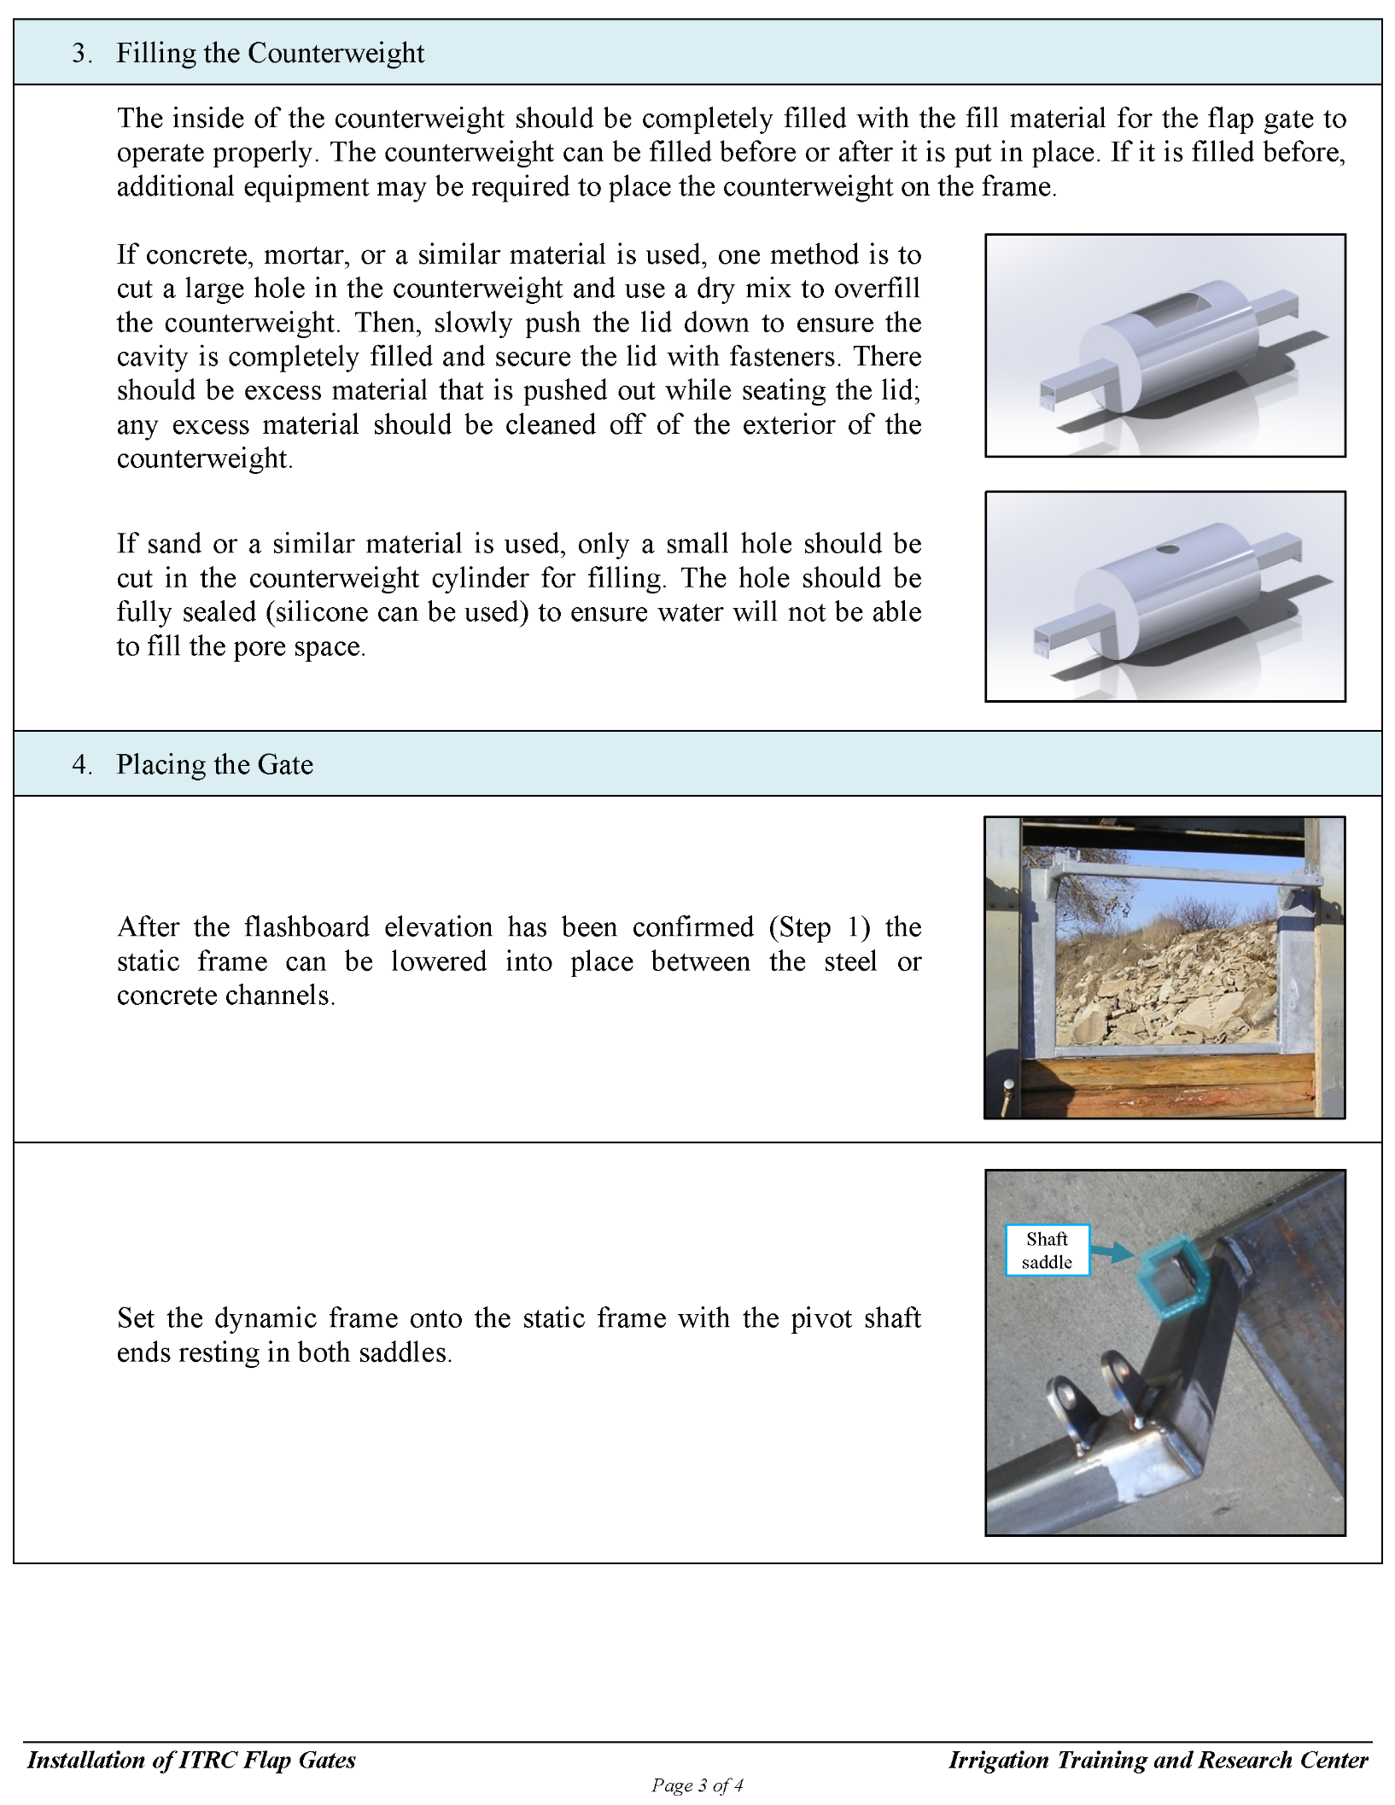

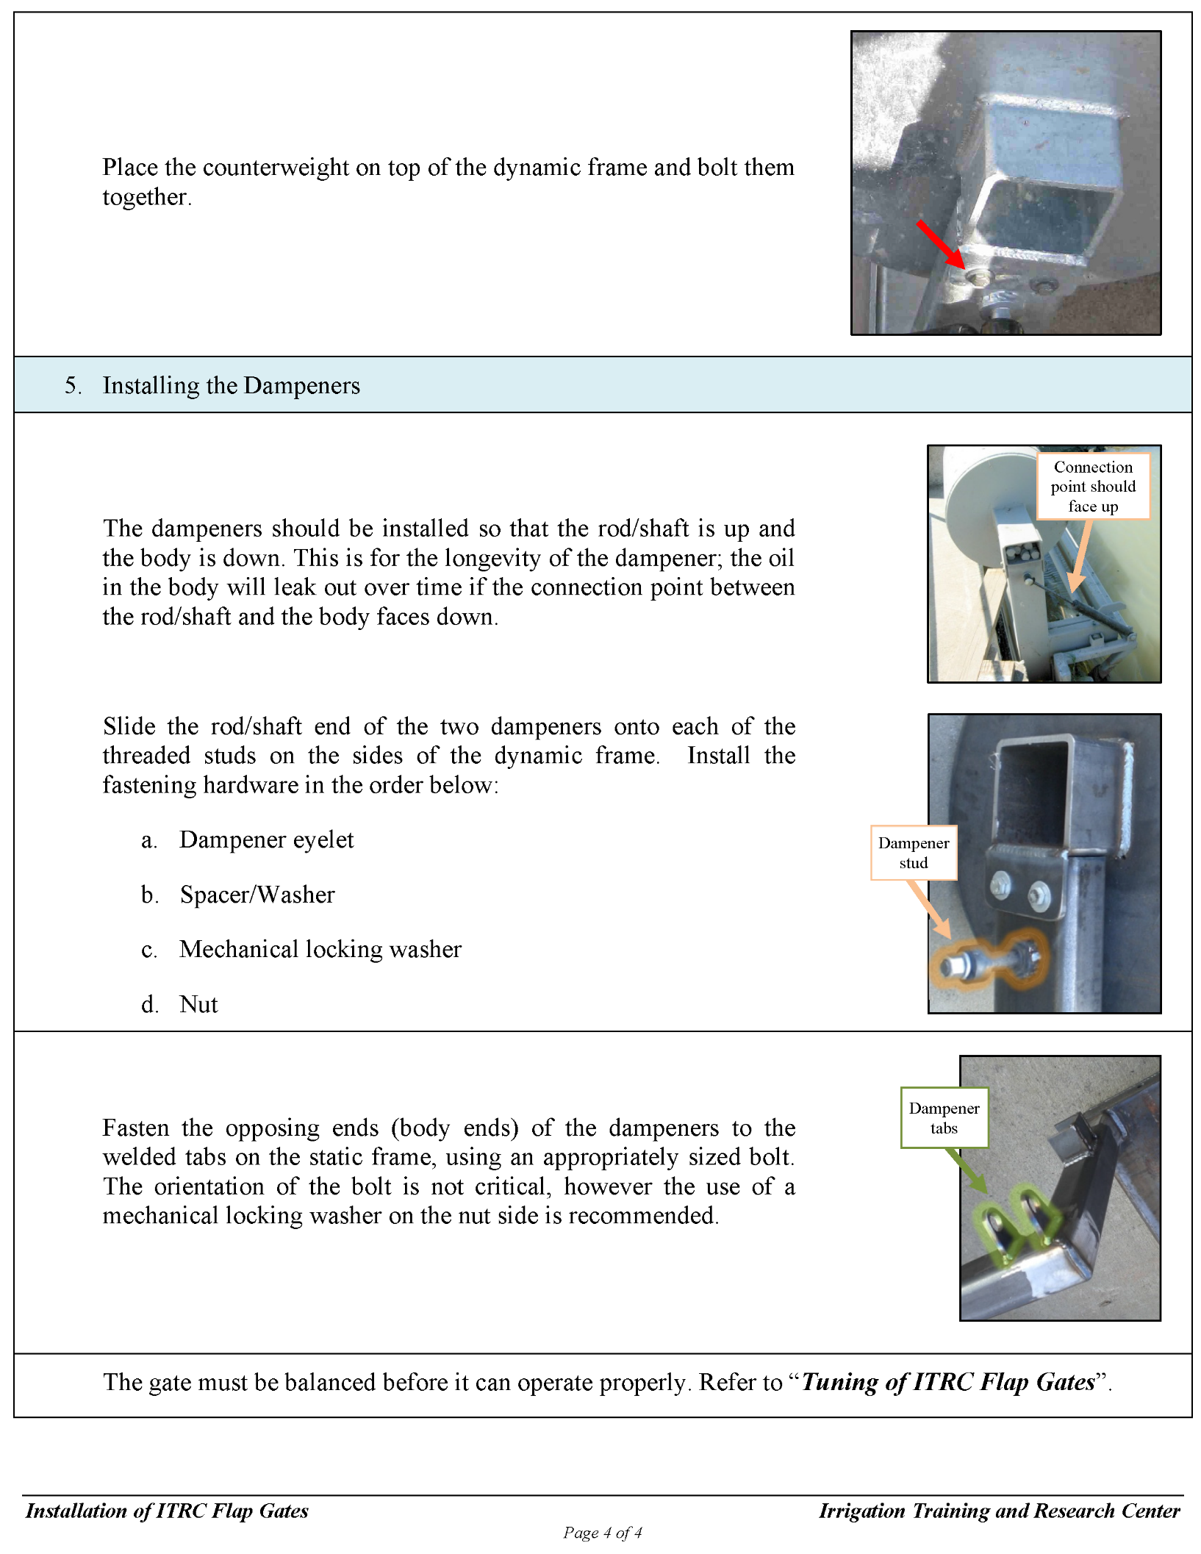

Tuning
